oct 4
October 4 ASC report
 | Loan Amount
Loan hour | 5 | 10 | 15 | 25
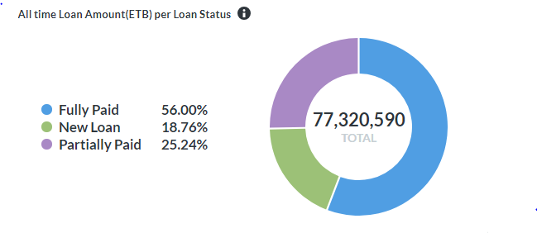
0 | 832 | 817 | 584 | 391
1 | 422 | 414 | 319 | 240
2 | 271 | 279 | 188 | 152
3 | 203 | 222 | 146 | 141
4 | 179 | 192 | 147 | 110
5 | 435 | 398 | 282 | 192
6 | 1,374 | 1,338 | 784 | 466
7 | 2,197 | 2,230 | 1,344 | 775
8 | 2,557 | 2,477 | 1,652 | 937
9 | 2,613 | 2,725 | 1,832 | 1,022
10 | 2,629 | 2,812 | 1,882 | 1,026
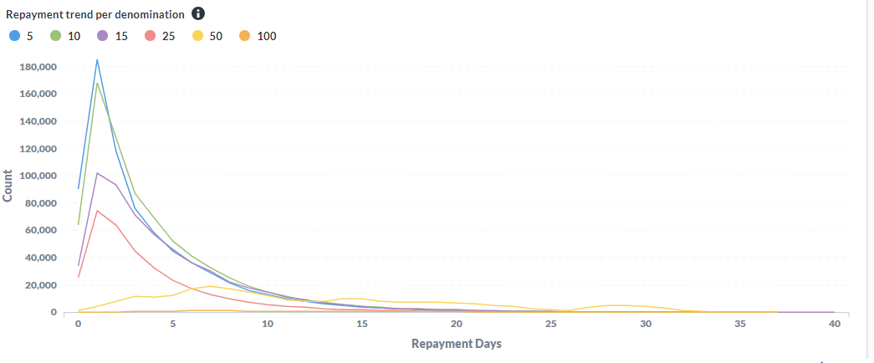
11 | 2,691 | 2,781 | 1,878 | 984
12 | 2,719 | 2,918 | 1,876 | 986
13 | 3,006 | 3,102 | 2,049 | 1,084
14 | 3,097 | 3,061 | 1,996 | 1,095
15 | 3,056 | 3,163 | 2,088 | 1,139
16 | 3,126 | 3,267 | 2,175 | 1,196
17 | 2,559 | 2,868 | 1,764 | 984
18 | 1,944 | 2,154 | 1,333 | 743
19 | 1,746 | 2,042 | 1,179 | 628
20 | 2,041 | 2,287 | 1,312 | 788
21 | 2,442 | 2,707 | 1,456 | 799
22 | 4,303 | 4,532 | 2,790 | 1,702
23 | 2,393 | 2,318 | 1,499 | 987
Sum | 48,835 | 51,104 | 32,555 | 18,567
sum in ETB | 244,175 | 511,040 | 488,325 | 464,175
Total LN | 151,061 |  |  |  | NOTE
Total LM ETB | 1,707,715 |  |  |  | LN = loan number
Total FP ETB | 1,689,633 |  |  |  | LM =loan amount
 |  |  |  |  | FP = fully paid

oct 5
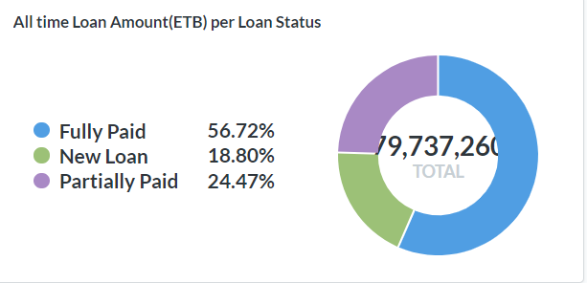
October 5 ASC report
 | Loan Amount
Loan hour | 5 | 10 | 15 | 25
0 | 1051 | 1077 | 664 | 487
1 | 473 | 523 | 350 | 269
2 | 321 | 293 | 225 | 182
3 | 203 | 252 | 150 | 124
4 | 199 | 213 | 158 | 113
5 | 419 | 429 | 275 | 191
6 | 1485 | 1466 | 885 | 518
7 | 2474 | 2279 | 1425 | 788
8 | 2749 | 2732 | 1719 | 1035
9 | 2981 | 2923 | 1907 | 1097
10 | 2988 | 2979 | 1949 | 1095
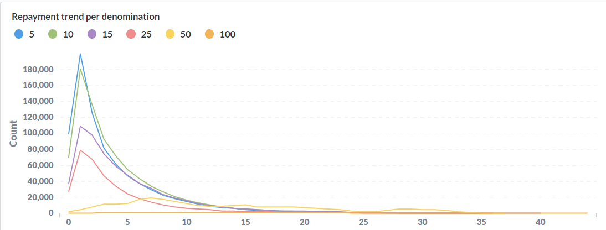
11 | 2896 | 3040 | 1917 | 1135
12 | 3166 | 3074 | 1932 | 1098
13 | 3315 | 3239 | 2143 | 1145
14 | 3133 | 3296 | 1947 | 1075
15 | 2992 | 2982 | 1869 | 1002
16 | 2779 | 2784 | 1733 | 929
17 | 3221 | 3275 | 2186 | 1212
18 | 4462 | 4658 | 3017 | 1541
19 | 5531 | 5753 | 3615 | 1838
20 | 5914 | 6353 | 3756 | 1890
21 | 6151 | 6329 | 3544 | 1994
22 | 4320 | 4415 | 2530 | 1455
23 | 2052 | 1871 | 1127 | 757
Sum | 65,275 | 66,235 | 41,023 | 22,970
sum in ETB | 326,375 | 662,350 | 615,345 | 574,250
Total LN | 195,503 |  |  |  | NOTE
Total LM ETB | 2,178,320 |  |  |  | LN = loan number
Total FP ETB | 1,745,898 |  |  |  | LM =loan amount
 |  |  |  |  | FP = fully paid

 |  |  |  |  | NOTE
 |  |  |  |  | LN = loan number
 |  |  |  |  | LM =loan amount
 |  |  |  |  | FP = fully paid

Oct 6
October 6 ASC report
 | Loan Amount
Loan hour | 5 | 10 | 15 | 25
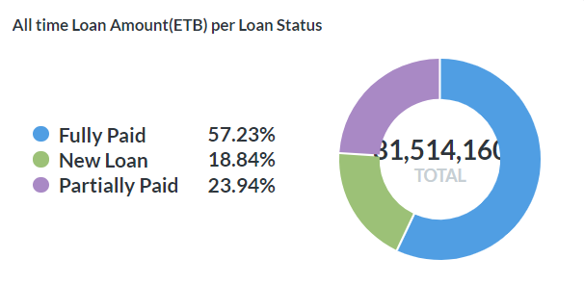
0 | 958 | 891 | 552 | 436
1 | 429 | 417 | 292 | 251
2 | 267 | 230 | 192 | 120
3 | 208 | 192 | 136 | 106
4 | 146 | 194 | 111 | 97
5 | 373 | 300 | 196 | 151
6 | 1147 | 1042 | 583 | 369
7 | 1976 | 1801 | 1100 | 626
8 | 2425 | 2287 | 1403 | 789
9 | 2615 | 2611 | 1749 | 925
10 | 2748 | 2813 | 1910 | 1017
11 | 2758 | 2768 | 1862 | 1011
12 | 2837 | 2808 | 1906 | 1054
13 | 2953 | 3113 | 2047 | 1085
14 | 3151 | 3224 | 2167 | 1166
15 | 3168 | 3283 | 2238 | 1205
16 | 3330 | 3381 | 2265 | 1244
17 | 3358 | 3568 | 2350 | 1376
18 | 4068 | 4414 | 2821 | 1426
19 | 5382 | 5492 | 3447 | 1760
20 | 5686 | 5886 | 3731 | 1921
21 | 5895 | 6094 | 3495 | 1863
22 | 4505 | 4414 | 2664 | 1601
23 | 2179 | 2139 | 1323 | 880
Sum | 62,562 | 63,362 | 40,540 | 22,479
sum in ETB | 312,810 | 633,620 | 608,100 | 561,975
Total LN | 188,943 |  |  |  | NOTE
Total LM ETB | 2,116,505 |  |  |  | LN = loan number
Total FP ETB | 1,938,673 |  |  |  | LM =loan amount
 |  |  |  |  | FP = fully paid

 |  |  |  |  | NOTE
 |  |  |  |  | LN = loan number
 |  |  |  |  | LM =loan amount
 |  |  |  |  | FP = fully paid

OCT 7
October 6 ASC report
 | Loan Amount
Loan hour | 5 | 10 | 15 | 25
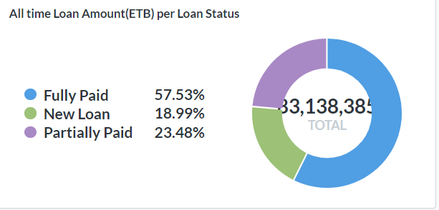
0 | 1042 | 987 | 660 | 469
1 | 464 | 517 | 324 | 260
2 | 301 | 297 | 212 | 158
3 | 195 | 211 | 143 | 132
4 | 185 | 169 | 109 | 103
5 | 370 | 331 | 175 | 142
6 | 1099 | 1117 | 641 | 353
7 | 1966 | 1950 | 1023 | 586
8 | 2451 | 2296 | 1469 | 709
9 | 2562 | 2525 | 1587 | 876
10 | 2761 | 2790 | 1783 | 926
11 | 2932 | 2888 | 1818 | 983
12 | 2940 | 2851 | 1815 | 902
13 | 3182 | 3225 | 2014 | 976
14 | 3194 | 3276 | 2147 | 1033
15 | 3334 | 3383 | 2145 | 1100
16 | 3369 | 3469 | 2213 | 1212
17 | 3435 | 3612 | 2275 | 1215
18 | 4107 | 4120 | 2571 | 1368
19 | 5000 | 5106 | 3085 | 1483
20 | 5864 | 5787 | 3264 | 1708
21 | 5982 | 6045 | 3246 | 1717
22 | 4280 | 4227 | 2388 | 1381
23 | 1847 | 1848 | 1070 | 699
Sum | 62,862 | 63,027 | 38,177 | 20,491
sum in ETB | 314,310 | 630,270 | 572,655 | 512,275
Total LN | 184,557 |  |  |  | NOTE
Total LM ETB | 2,029,510 |  |  |  | LN = loan number
Total FP ETB | 1,707,018 |  |  |  | LM =loan amount
 |  |  |  |  | FP = fully paid

 |  |  |  |  | NOTE
 |  |  |  |  | LN = loan number
 |  |  |  |  | LM =loan amount
 |  |  |  |  | FP = fully paid

